Cover Sheet
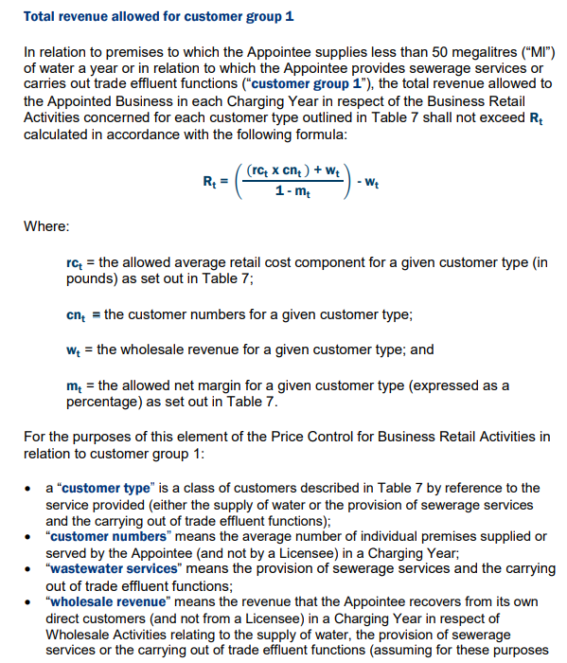
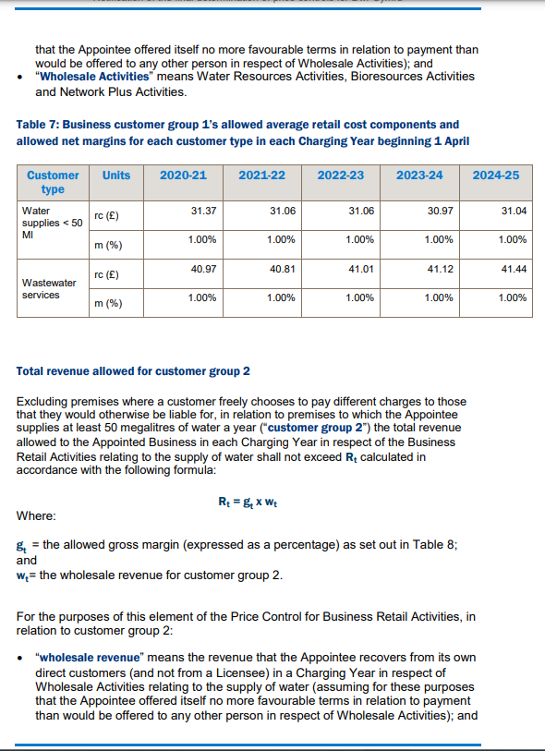
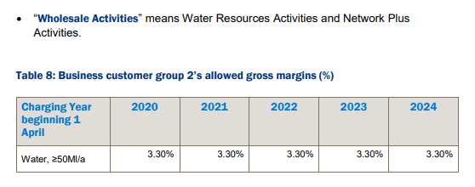
PR19 Business Retail Compliance with Price Control and True-up

Model Overview
This model demonstrates compliance with the PR19 Business retail price control and calculates the business retail revenue adjustment but comparing the actual revenue collected to the allowed revenue. The PR19 Final Determination notification sets out the form of the control for business customers. The model has two different types of customers; group 1 and group 2. Group 2 customers are water customers that serve>50Ml. A business decision was made not to collect the full allowed margin and therefore the model does not aim to collect the under-recovery as part of the PR24 reconciliation mechanism. Further commentary is provided in the Past Delivery Commentary document.

