Contact information
Bioresources physical and contract information |  | Dŵr Cyrmu Welsh Water

Purpose | This spreadsheet provides information about water and sewerage company sewage sludge production sites (known as wastewater treatment works (WwTWs) and sludge treatment facilities (STCs). It is provided in line with guidelines published by Ofwat on its website. Its purpose is to facilitate conversations between companies and third parties to explore market opportunities. It does not include all information that may be defined within a contract. Companies are required to provide data under the columns marked mandatory. Any additional information can be provided on a voluntary basis. | The water and sewerage company areas in England and Wales
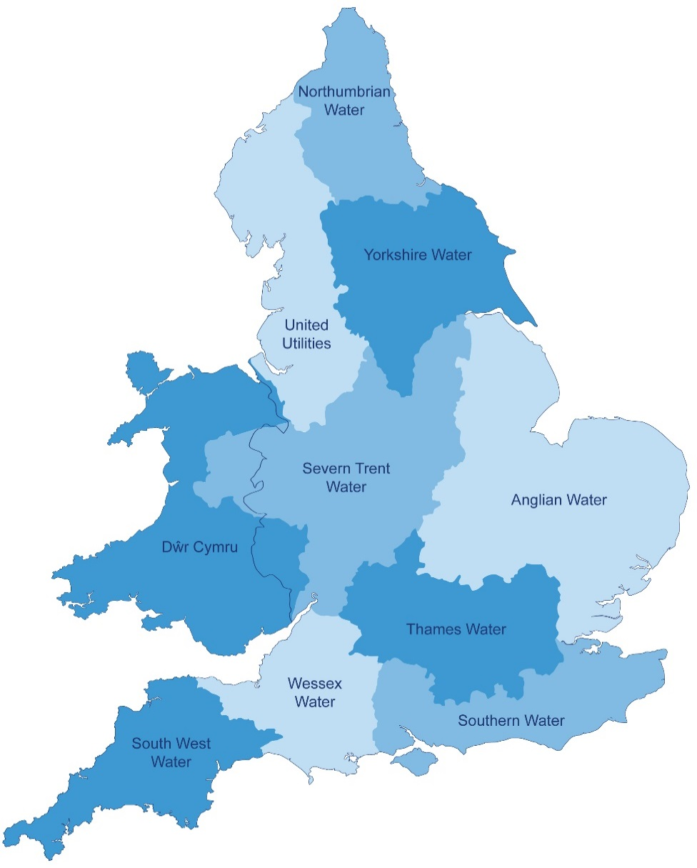
Water and Sewerage Company name | Dŵr Cyrmu Welsh Water
Financial Year the data relates to | 2017-18
Date the spreadsheet was published
Contact details for anyone wanting to discuss commercial opportunities arising from this information | Bioresources.enquires@dwrcymru.com
Brief description of geographical boundary of data included here | The data provided covers the Dŵr Cymru Welsh Water operating area as shown in the map to the left.

Brief description of level of data assurance | The assurance process we have followed for this market information, is based upon our tried and tested “three levels of assurance” which is appropriate and proportionate to the reported data. The assurance model works as follows: - Level 1 assurance includes the assignment of a data provider, data manager and senior manager with specific responsibilities for providing the information required in line with the reporting requirements and guidance. - Level 2 assurance is provided through a peer review of the information, including internal due diligence. - Level 3 assurance is provided through independent external assurance from an independent technical auditor. The technical auditor checks to ensure that the data is produced in line with guidance, that assumptions made are reasonable and applied appropriately and reviews source data to check for accuracy. They also review the governance processes in place for integrity of the data. The information has been fully assured to level 3. A letter of assurance has been provided by our technical auditor, Jacobs. Further information of our assurance activites can be found on page 20 of our 2017/18 Data Assurance Summary.

Summary of significant changes since the most recently previously published version of the information and this version | In assessing whether sites are classified as WwTWs, small WwTWs or STCs there are a number of determining factors. Changes in population served, the thickness of sludge and operational restrictions at sites are amongst the factors that account for the volatility in the numbers reported. The following table shows the changes from last year. WwTW Small WwTw STC 2016/17 108 482 30 2017/18 106 486 28 Net Change -2 4 -2 WWTW (> 2000 population) - There has been a net decrease of 2 in the number of WWTW reported. Two works (Brecon and Ruthin) have been added and four works removed. Brecon and Ruthin were previously reported as STCs but as they don't thicken to above 10% and sludge is transported to another STC for additional treatment these two works have been reclassified. Changes in the population served account for the fact that the aforementioned four WWTWs are now excluded. Small WwTWs - The number of small WwTWs has increased by four. STCs - These have decreased by two with the reclassification of Ruthin and Brecon., as described above.

 | Key: Input cell colour

Spreadsheet template version 2, October 2017

